Thrust Block-Trench Type
Trench Type

Trench Type 2 | Trench Type 3 | Trench Type 4 | Trench Type 5

Flat-bottom trench. Backfill lightly consolidated to centerline of pipe. | Pipe bedded in 4 inches minimum loose soil. Backfill lightly consolidated to top of the pipe. | Pipe bedded in sand, gravel, or crushed stone to a depth of 1/8 pipe diameter, 4 inch minimum. Backfill compacted to top of pipe. | Pipe bedded in compacted granular material to the centerline of the pipe, 4 inches minimum under the pipe. Compacted granular or select material to top of pipe.

Thrust Blocks

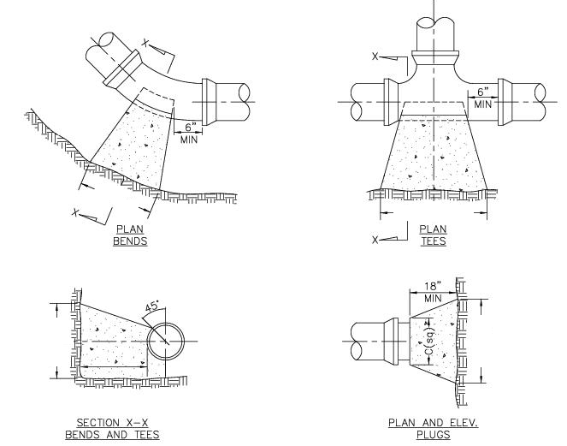

L
L

L
L

*Bearing Area = L x L

